Rolls Bakery
Rolls Bakery Production Information
Products | Wholesale Price per Case | Wholesale Price per Lot | Processing Time (in hours) per Lot | Cost of Raw Materials per Lot | Net Profit per Lot | Demand for Cases | Demand for Production Lots
Dinner Roll Case (DRC) | 0.75 | 750 | 10 | 250 | 400 | 3000 | 3
Sandwich Roll Case (SRC) | 0.65 | 650 | 15 | 200 | 300 | 4000 | 4

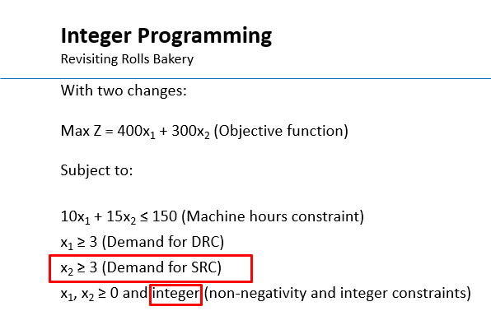
Decision Variables | Number of Lots per Week
DRC Lots
SRC Lots

Objective Function

Constraints | Usage /Outcome | Sign | Availability /Requirement
Processing Time |  | <= | 150
Demand for DRC Lots |  | >= | 3
Demand for SRC Lots |  | >= | 4

